Case
Description
You just became the new IT Operations Manager of the MyWebshop Company. Unfortunately,
MyWebshop has some stability issues as of late. You hypothesise that part of the stability issues
are caused by capacity constraints. You petition the CIO to introduce a clear Capacity Management
proces based on the ING Capacity Management Maturity Model to validate this hypothesis. The CIO
agrees and arranges priority and budget. The architect provides you with the soluction architecture
(shown below) and your engineers already identified the key usage, utilisation and consumption
metrics that drive the IT solution. You start with Maturity Level 1 and your goal is to reach Maturity.
Level 3 (4?). All the data you need is provided in the 'Data' sheet and the assignment guide is found
below. Good luck!
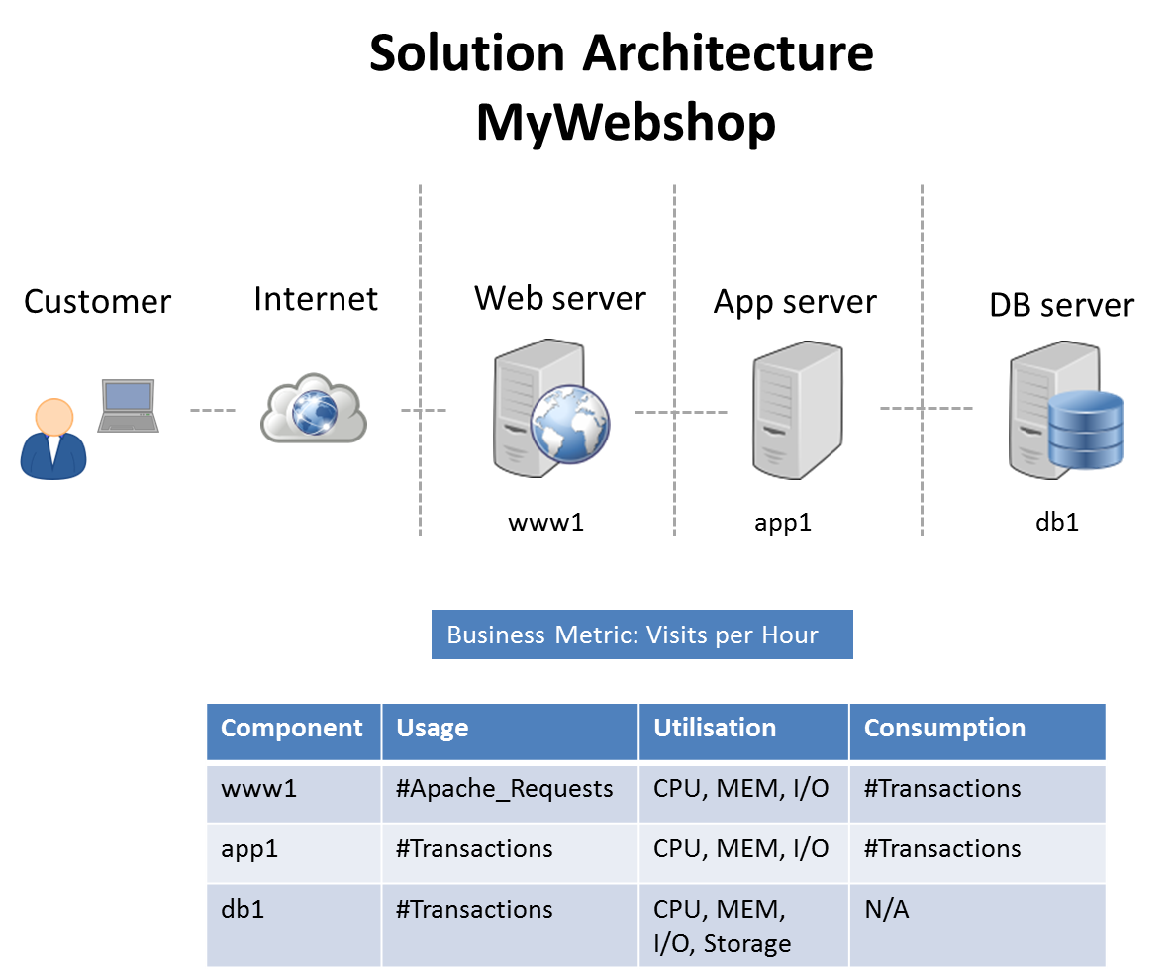

Assignment Guide
Maturity Level 2 Reactive
Goal
Gain insight in resources that have caused or could cause incidents due to capacity constraints
and setup utilisation monitoring

For each component:
1. Plot utilisation versus time. Use scatter plot.
2. Thresholds for normal operation are set at 85%. Plot the threshold.
...

ApplicationServer
 | Business
Datetime | 0
1-1-2014 0:00 | 49299
1-1-2014 1:00 | 28372
1-1-2014 2:00 | 6528
1-1-2014 3:00 | 1291
1-1-2014 4:00 | 4709
1-1-2014 5:00 | 17840
1-1-2014 6:00 | 33049
1-1-2014 7:00 | 58963
1-1-2014 8:00 | 101816
1-1-2014 9:00 | 148614
1-1-2014 10:00 | 161613
1-1-2014 11:00 | 252282
1-1-2014 12:00 | 206084
1-1-2014 13:00 | 152169
1-1-2014 14:00 | 151879
1-1-2014 15:00 | 225312
1-1-2014 16:00 | 114919
1-1-2014 17:00 | 184466
1-1-2014 18:00 | 195612
1-1-2014 19:00 | 157577
1-1-2014 20:00 | 198395
1-1-2014 21:00 | 202461
1-1-2014 22:00 | 186187
1-1-2014 23:00 | 91955
2-1-2014 0:00 | 51428
2-1-2014 1:00 | 28917
2-1-2014 2:00 | 3913
2-1-2014 3:00 | 1224
2-1-2014 4:00 | 6470
2-1-2014 5:00 | 19928
2-1-2014 6:00 | 12860
2-1-2014 7:00 | 52899
2-1-2014 8:00 | 77807
2-1-2014 9:00 | 120585
2-1-2014 10:00 | 214661
2-1-2014 11:00 | 205834
2-1-2014 12:00 | 179164
2-1-2014 13:00 | 170520
2-1-2014 14:00 | 168021
2-1-2014 15:00 | 178840
2-1-2014 16:00 | 173890
2-1-2014 17:00 | 181006
2-1-2014 18:00 | 152600
2-1-2014 19:00 | 150832
2-1-2014 20:00 | 104379
2-1-2014 21:00 | 172088
2-1-2014 22:00 | 188473
2-1-2014 23:00 | 94319
3-1-2014 0:00 | 60616
...
 | Business | Usage | Consumption | Utilization
Datetime | Visits per Hour | Transactions per Hour | Transactions per Hour | CPU % | MEM % | I/O %
1/1/14 | 49299 | 17579 | 17579 | 18.1 | 46.6 | 12.9
1/1/14 | 28372 | 9092 | 9092 | 16.6 | 37.9 | 14.1
1/1/14 | 6528 | 2051 | 2051 | 11.5 | 40.1 | 11.4
1/1/14 | 1291 | 463 | 463 | 13.7 | 45.6 | 11.9
1/1/14 | 4709 | 1588 | 1588 | 18.8 | 45 | 15.1
1/1/14 | 17840 | 5946 | 5946 | 13.4 | 44.3 | 13.3
1/1/14 | 33049 | 10937 | 10937 | 14.8 | 40.2 | 13.4
1/1/14 | 58963 | 18804 | 18804 | 20 | 47.1 | 11.3
1/1/14 | 101816 | 33926 | 33926 | 22.6 | 51 | 13.8
1/1/14 | 148614 | 46441 | 46441 | 31.6 | 54.6 | 15.6
1/1/14 | 161613 | 55426 | 55426 | 31.4 | 57.3 | 12.4
1/1/14 | 252282 | 74991 | 74991 | 29.1 | 65.8 | 8.7
1/1/14 | 206084 | 68053 | 68053 | 33.9 | 57.8 | 16.8
1/1/14 | 152169 | 55285 | 55285 | 29.7 | 55.7 | 13.1
1/1/14 | 151879 | 47154 | 47154 | 23.5 | 52.8 | 15.2
1/1/14 | 225312 | 67071 | 67071 | 30.4 | 56 | 9.8
1/1/14 | 114919 | 43605 | 43605 | 24.5 | 49 | 9.8
1/1/14 | 184466 | 58657 | 58657 | 28.1 | 60 | 9.7
1/1/14 | 195612 | 58847 | 58847 | 31 | 58.1 | 14.5
1/1/14 | 157577 | 54428 | 54428 | 25.2 | 57.1 | 13.7
1/1/14 | 198395 | 61469 | 61469 | 27.8 | 56.5 | 10.5
1/1/14 | 202461 | 64110 | 64110 | 31.7 | 54.6 | 15.5
1/1/14 | 186187 | 56225 | 56225 | 29 | 52.8 | 12.8
1/1/14 | 91955 | 32582 | 32582 | 23.7 | 53.4 | 11.8
1/2/14 | 51428 | 19687 | 19687 | 24.5 | 44 | 15.5
1/2/14 | 28917 | 9535 | 9535 | 23.3 | 42.2 | 13.7
...

Sheet1
Average of Visits per Hour | Column Labels
Row Labels | 1 | 2 | 3 | 4 | 5 | 6 | 7 | Grand Total
1 | 155800.02083 | 113858.16667 | 129201.125 | 111124.20833 | 109493.04167 | 97483.833333 | 85964.041667 | 116395.95139
 | 1 | 2 | 3 | 4 | 5 | 6 | 7
1 | 155800.02083 | 113858.16667 | 129201.125 | 111124.20833 | 109493.04167 | 97483.833333 | 85964.041667
2 | 122582.58333 | 136704.04167 | 112213.5 | 123617.52083 | 104342.54167 | 90658.458333 | 98629.319444
3 | 137650.36111 | 98316.583333 | 140749.22917 | 114227.35417 | 117329.04167 | 85798.833333 | 98096.25
4 | 120647.04167 | 124696.29167 | 115396.54167 | 138129.14583 | 100982.91667 | 95222.458333 | 80140.541667
5 | 110779.04167 | 118257.45833 | 119943.04167 | 109068.41667 | 123347.375 | 81551.25 | 97529.916667
6 | 133727.33333 | 105633.54167 | 120241.16667 | 124309.11111 | 95266.708333 | 115659.04167 | 89311.875
7 | 114898.6875 | 118210.27083 | 105586.45833 | 111772 | 109887.13889 | 81913.625 | 112001.8125
8 | 145384.10417 | 104190.64583 | 115432.41667 | 104201.75 | 104539.54167 | 90744.069444 | 84750.5
9 | 117065.875 | 129298.8125 | 100156.70833 | 113401.02083 | 90547.208333 | 83575.125 | 91226.458333
10 | 124069.59722 | 104548.16667 | 130939.29167 | 98124.333333 | 109783.83333 | 83394.791667 | 81382.5
11 | 114633.41667 | 107591.27778 | 94502.25 | 122859.1875 | 92580.020833 | 86521.916667 | 80763.666667
12 | 104782.79167 | 98559.708333 | 103387.11111 | 97151.041667 | 115251.16667 | 79023.333333 | 87917.291667
13 | 118284.29167 | 92476.375 | 107917.45833 | 106470.48611 | 84529.083333 | 105812.58333 | 77136.666667
14 | 101213.66667 | 106422.22917 | 91298.875 | 101731.58333 | 96565.708333 | 76930.583333 | 105272.47917
15 | 131443.66667 | 93708.375 | 105174.97917 | 92512.291667 | 98548.333333 | 84455.986111 | 79217.666667
16 | 95726.833333 | 123880.83333 | 94502.770833 | 113698.04167 | 84830.166667 | 79174.708333 | 83371.486111
17 | 113962.59722 | 96111.458333 | 122761.70833 | 95620.354167 | 98513.854167 | 72736.833333 | 80665.625
18 | 109642.91667 | 107205.86111 | 96000.25 | 119171.14583 | 90566.3125 | 81714.958333 | 71683.041667
19 | 98117.041667 | 105645.08333 | 107811.61111 | 91377.25 | 112746.875 | 77836.895833 | 83362.229167
20 | 119092.375 | 90815.583333 | 110555.79167 | 109093.13889 | 92388.583333 | 97938.395833 | 76349.666667
21 | 105521.83333 | 109883.125 | 101242.33333 | 108064.16667 | 102472.86111 | 76483.791667 | 108417.91667
22 | 137917.9375 | 100324.0625 | 115848.95833 | 93961.291667 | 99731.416667 | 87831.972222 | 80441.333333
23 | 179221.41667 | 197936.22917 | 167603.04167 | 192557.39583 | 151796.58333 | 138006.08333 | 147722.97222
24 | 127870.125 | 105408.70833 | 129556.25 | 100622.22917 | 108612.04167 | 76115.916667 | 87351.458333
25 | 123096.75 | 119132.08333 | 101598 | 138027.45833 | 96552.208333 | 93008.6875 | 91184.75
26 | 111479.625 | 117636.875 | 124028.875 | 105752.95833 | 129799.4375 | 80942.375 | 102590.1875
27 | 135444.66667 | 100897.95833 | 123422.625 | 127234.33333 | 101138.29167 | 108569.70833 | 90699
28 | 123311.6875 | 131610.9375 | 106182.41667 | 126996.33333 | 116291.51389 | 83696.458333 | 118748.70833
29 | 155380.04167 | 109667.5 | 130153.125 | 112325.08333 | 117855.91667 | 104128.02083 | 85440.958333
30 | 115718.95833 | 148614.20833 | 110295.6875 | 132466.04167 | 99964.25 | 105288.5 | 107798.4375
31 | 126256.08333 |  | 150751.29167 | 118682.5 | 119941.14583 | 87732.958333 | 102494.375
2 | 122582.58333 | 136704.04167 | 112213.5 | 123617.52083 | 104342.54167 | 90658.458333 | 98629.319444 | 113211.80556
3 | 137650.36111 | 98316.583333 | 140749.22917 | 114227.35417 | 117329.04167 | 85798.833333 | 98096.25 | 119981.16667
4 | 120647.04167 | 124696.29167 | 115396.54167 | 138129.14583 | 100982.91667 | 95222.458333 | 80140.541667 | 113245.17014
5 | 110779.04167 | 118257.45833 | 119943.04167 | 109068.41667 | 123347.375 | 81551.25 | 97529.916667 | 108565.92708
6 | 133727.33333 | 105633.54167 | 120241.16667 | 124309.11111 | 95266.708333 | 115659.04167 | 89311.875 | 114288.77083
7 | 114898.6875 | 118210.27083 | 105586.45833 | 111772 | 109887.13889 | 81913.625 | 112001.8125 | 109929.58681
8 | 145384.10417 | 104190.64583 | 115432.41667 | 104201.75 | 104539.54167 | 90744.069444 | 84750.5 | 107978.19444
9 | 117065.875 | 129298.8125 | 100156.70833 | 113401.02083 | 90547.208333 | 83575.125 | 91226.458333 | 104215.05556
10 | 124069.59722 | 104548.16667 | 130939.29167 | 98124.333333 | 109783.83333 | 83394.791667 | 81382.5 | 109935.76389
11 | 114633.41667 | 107591.27778 | 94502.25 | 122859.1875 | 92580.020833 | 86521.916667 | 80763.666667 | 101382.95139
12 | 104782.79167 | 98559.708333 | 103387.11111 | 97151.041667 | 115251.16667 | 79023.333333 | 87917.291667 | 97919.871528
13 | 118284.29167 | 92476.375 | 107917.45833 | 106470.48611 | 84529.083333 | 105812.58333 | 77136.666667 | 100566.78819
14 | 101213.66667 | 106422.22917 | 91298.875 | 101731.58333 | 96565.708333 | 76930.583333 | 105272.47917 | 98789.576389
15 | 131443.66667 | 93708.375 | 105174.97917 | 92512.291667 | 98548.333333 | 84455.986111 | 79217.666667 | 98691.690972
16 | 95726.833333 | 123880.83333 | 94502.770833 | 113698.04167 | 84830.166667 | 79174.708333 | 83371.486111 | 97834.121528
17 | 113962.59722 | 96111.458333 | 122761.70833 | 95620.354167 | 98513.854167 | 72736.833333 | 80665.625 | 102099.46181
18 | 109642.91667 | 107205.86111 | 96000.25 | 119171.14583 | 90566.3125 | 81714.958333 | 71683.041667 | 98487.385417
19 | 98117.041667 | 105645.08333 | 107811.61111 | 91377.25 | 112746.875 | 77836.895833 | 83362.229167 | 97205.517361
20 | 119092.375 | 90815.583333 | 110555.79167 | 109093.13889 | 92388.583333 | 97938.395833 | 76349.666667 | 100650.02083
21 | 105521.83333 | 109883.125 | 101242.33333 | 108064.16667 | 102472.86111 | 76483.791667 | 108417.91667 | 103404.55208
22 | 137917.9375 | 100324.0625 | 115848.95833 | 93961.291667 | 99731.416667 | 87831.972222 | 80441.333333 | 103817.65625
23 | 179221.41667 | 197936.22917 | 167603.04167 | 192557.39583 | 151796.58333 | 138006.08333 | 147722.97222 | 169032.19444
24 | 127870.125 | 105408.70833 | 129556.25 | 100622.22917 | 108612.04167 | 76115.916667 | 87351.458333 | 110838.95833
25 | 123096.75 | 119132.08333 | 101598 | 138027.45833 | 96552.208333 | 93008.6875 | 91184.75 | 110704.37153
26 | 111479.625 | 117636.875 | 124028.875 | 105752.95833 | 129799.4375 | 80942.375 | 102590.1875 | 111135.00694
27 | 135444.66667 | 100897.95833 | 123422.625 | 127234.33333 | 101138.29167 | 108569.70833 | 90699 | 114715.71875
28 | 123311.6875 | 131610.9375 | 106182.41667 | 126996.33333 | 116291.51389 | 83696.458333 | 118748.70833 | 117757.70139
29 | 155380.04167 | 109667.5 | 130153.125 | 112325.08333 | 117855.91667 | 104128.02083 | 85440.958333 | 119479.93939
30 | 115718.95833 | 148614.20833 | 110295.6875 | 132466.04167 | 99964.25 | 105288.5 | 107798.4375 | 119938.22348
31 | 126256.08333 |  | 150751.29167 | 118682.5 | 119941.14583 | 87732.958333 | 102494.375 | 117971.35714
Grand Total | 125293.2508 | 116515.44071 | 116969.52752 | 117136.24119 | 106589.14984 | 90748.336538 | 95513.457532 | 109843.20696

DatabaseServer
 | Day of month
1 | 17579
1 | 9092
1 | 2051
1 | 463
1 | 1588
1 | 5946
1 | 10937
1 | 18804
1 | 33926
1 | 46441
1 | 55426
1 | 74991
1 | 68053
1 | 55285
1 | 47154
1 | 67071
1 | 43605
1 | 58657
1 | 58847
1 | 54428
1 | 61469
1 | 64110
1 | 56225
1 | 32582
2 | 19687
2 | 9535
2 | 1294
2 | 415
2 | 2143
2 | 6842
2 | 4183
2 | 17988
2 | 26662
2 | 37940
2 | 67380
2 | 72339
2 | 63114
2 | 55522
2 | 56942
2 | 61220
2 | 63529
2 | 62278
2 | 52700
2 | 59151
2 | 39325
2 | 58006
2 | 55136
2 | 33380
3 | 17141
3 | 8950
...
 | BUSINESS | Usage | Utilization
Datetime | Visits per Hour | Transactions per Hour | CPU % | MEM % | I/O % | Storage (GB) | Storage Capacity (GB) | Day of month | Day of week
1/1/14 | 49299 | 17579 | 16.8 | 24.7 | 24.3 | 4.770048 | 64 | 1 | 3
1/1/14 | 28372 | 9092 | 16.5 | 22.5 | 14.6 | 4.770915 | 64 | 1 | 3
1/1/14 | 6528 | 2051 | 12.5 | 25.6 | 13.6 | 4.771111 | 64 | 1 | 3
 | Visits per Hour
1/1/2014 | 49299
1/1/2014 | 28372
1/1/2014 | 6528
1/1/2014 | 1291
1/1/2014 | 4709
1/1/2014 | 17840
1/1/2014 | 33049
1/1/2014 | 58963
1/1/2014 | 101816
1/1/2014 | 148614
1/1/2014 | 161613
1/1/2014 | 252282
1/1/2014 | 206084
1/1/2014 | 152169
1/1/2014 | 151879
1/1/2014 | 225312
1/1/2014 | 114919
1/1/2014 | 184466
1/1/2014 | 195612
1/1/2014 | 157577
1/1/2014 | 198395
1/1/2014 | 202461
1/1/2014 | 186187
1/1/2014 | 91955
1/2/2014 | 51428
1/2/2014 | 28917
1/2/2014 | 3913
1/2/2014 | 1224
1/2/2014 | 6470
1/2/2014 | 19928
1/2/2014 | 12860
1/2/2014 | 52899
1/2/2014 | 77807
1/2/2014 | 120585
1/2/2014 | 214661
1/2/2014 | 205834
1/2/2014 | 179164
1/2/2014 | 170520
1/2/2014 | 168021
1/2/2014 | 178840
1/2/2014 | 173890
1/2/2014 | 181006
1/2/2014 | 152600
1/2/2014 | 150832
1/2/2014 | 104379
1/2/2014 | 172088
1/2/2014 | 188473
1/2/2014 | 94319
1/3/2014 | 60616
1/3/2014 | 25107
...
1/1/14 | 1291 | 463 | 16.2 | 20.4 | 5.5 | 4.771155 | 64 | 1 | 3
1/1/14 | 4709 | 1588 | 15.7 | 23.8 | 7.5 | 4.771306 | 64 | 1 | 3
1/1/14 | 17840 | 5946 | 14.1 | 26.8 | 14.2 | 4.771873 | 64 | 1 | 3
1/1/14 | 33049 | 10937 | 9.9 | 30.5 | 15 | 4.772916 | 64 | 1 | 3
1/1/14 | 58963 | 18804 | 21.1 | 31.6 | 20.7 | 4.774710 | 64 | 1 | 3
1/1/14 | 101816 | 33926 | 21.1 | 28.2 | 34.1 | 4.777945 | 64 | 1 | 3
1/1/14 | 148614 | 46441 | 19.9 | 39 | 47.5 | 4.782374 | 64 | 1 | 3
1/1/14 | 161613 | 55426 | 23.7 | 41.9 | 50.6 | 4.787660 | 64 | 1 | 3
1/1/14 | 252282 | 74991 | 23.9 | 45.8 | 66.7 | 4.794812 | 64 | 1 | 3
1/1/14 | 206084 | 68053 | 27.9 | 50.3 | 62.6 | 4.801302 | 64 | 1 | 3
1/1/14 | 152169 | 55285 | 25.7 | 40.3 | 53.7 | 4.806574 | 64 | 1 | 3
1/1/14 | 151879 | 47154 | 23.7 | 39 | 41.9 | 4.811071 | 64 | 1 | 3
1/1/14 | 225312 | 67071 | 22.7 | 47.1 | 59.6 | 4.817467 | 64 | 1 | 3
1/1/14 | 114919 | 43605 | 21.3 | 39.8 | 46.2 | 4.821626 | 64 | 1 | 3
1/1/14 | 184466 | 58657 | 24.8 | 39.4 | 57.7 | 4.827220 | 64 | 1 | 3
1/1/14 | 195612 | 58847 | 23.8 | 38.3 | 55.9 | 4.832832 | 64 | 1 | 3
1/1/14 | 157577 | 54428 | 24.7 | 38.9 | 50.7 | 4.838023 | 64 | 1 | 3
1/1/14 | 198395 | 61469 | 23.6 | 39.6 | 53.3 | 4.843885 | 64 | 1 | 3
1/1/14 | 202461 | 64110 | 25.9 | 44.5 | 61.4 | 4.849999 | 64 | 1 | 3
1/1/14 | 186187 | 56225 | 23.4 | 43.9 | 56.1 | 4.855361 | 64 | 1 | 3
1/1/14 | 91955 | 32582 | 22.7 | 33.1 | 34.6 | 4.858468 | 64 | 1 | 3
1/2/14 | 51428 | 19687 | 19.5 | 31 | 22.1 | 4.860346 | 64 | 2 | 4
1/2/14 | 28917 | 9535 | 20.2 | 27.4 | 13.5 | 4.861255 | 64 | 2 | 4
1/2/14 | 3913 | 1294 | 11.4 | 27.5 | 6.9 | 4.861378 | 64 | 2 | 4
1/2/14 | 1224 | 415 | 15.4 | 28.1 | 7.6 | 4.861418 | 64 | 2 | 4
1/2/14 | 6470 | 2143 | 17.6 | 25 | 6 | 4.861622 | 64 | 2 | 4
1/2/14 | 19928 | 6842 | 14.3 | 26.7 | 11.8 | 4.862275 | 64 | 2 | 4
1/2/14 | 12860 | 4183 | 15.2 | 29.5 | 12.3 | 4.862674 | 64 | 2 | 4
1/2/14 | 52899 | 17988 | 15.2 | 29.4 | 17 | 4.864389 | 64 | 2 | 4
1/2/14 | 77807 | 26662 | 19.2 | 32.1 | 27.3 | 4.866932 | 64 | 2 | 4
1/2/14 | 120585 | 37940 | 19.3 | 39.2 | 36.9 | 4.870550 | 64 | 2 | 4
...

